Test Report
Default Test Run Report

Project Name |  |  | Project 1
User Name |  |  | MTS
Test Name |  |  | D638 PEL 27
Test Run Name |  |  | Test Run 1
Test Run Date |  |  | 10/16/2019 1:22:40 PM

Test Run Review Graph
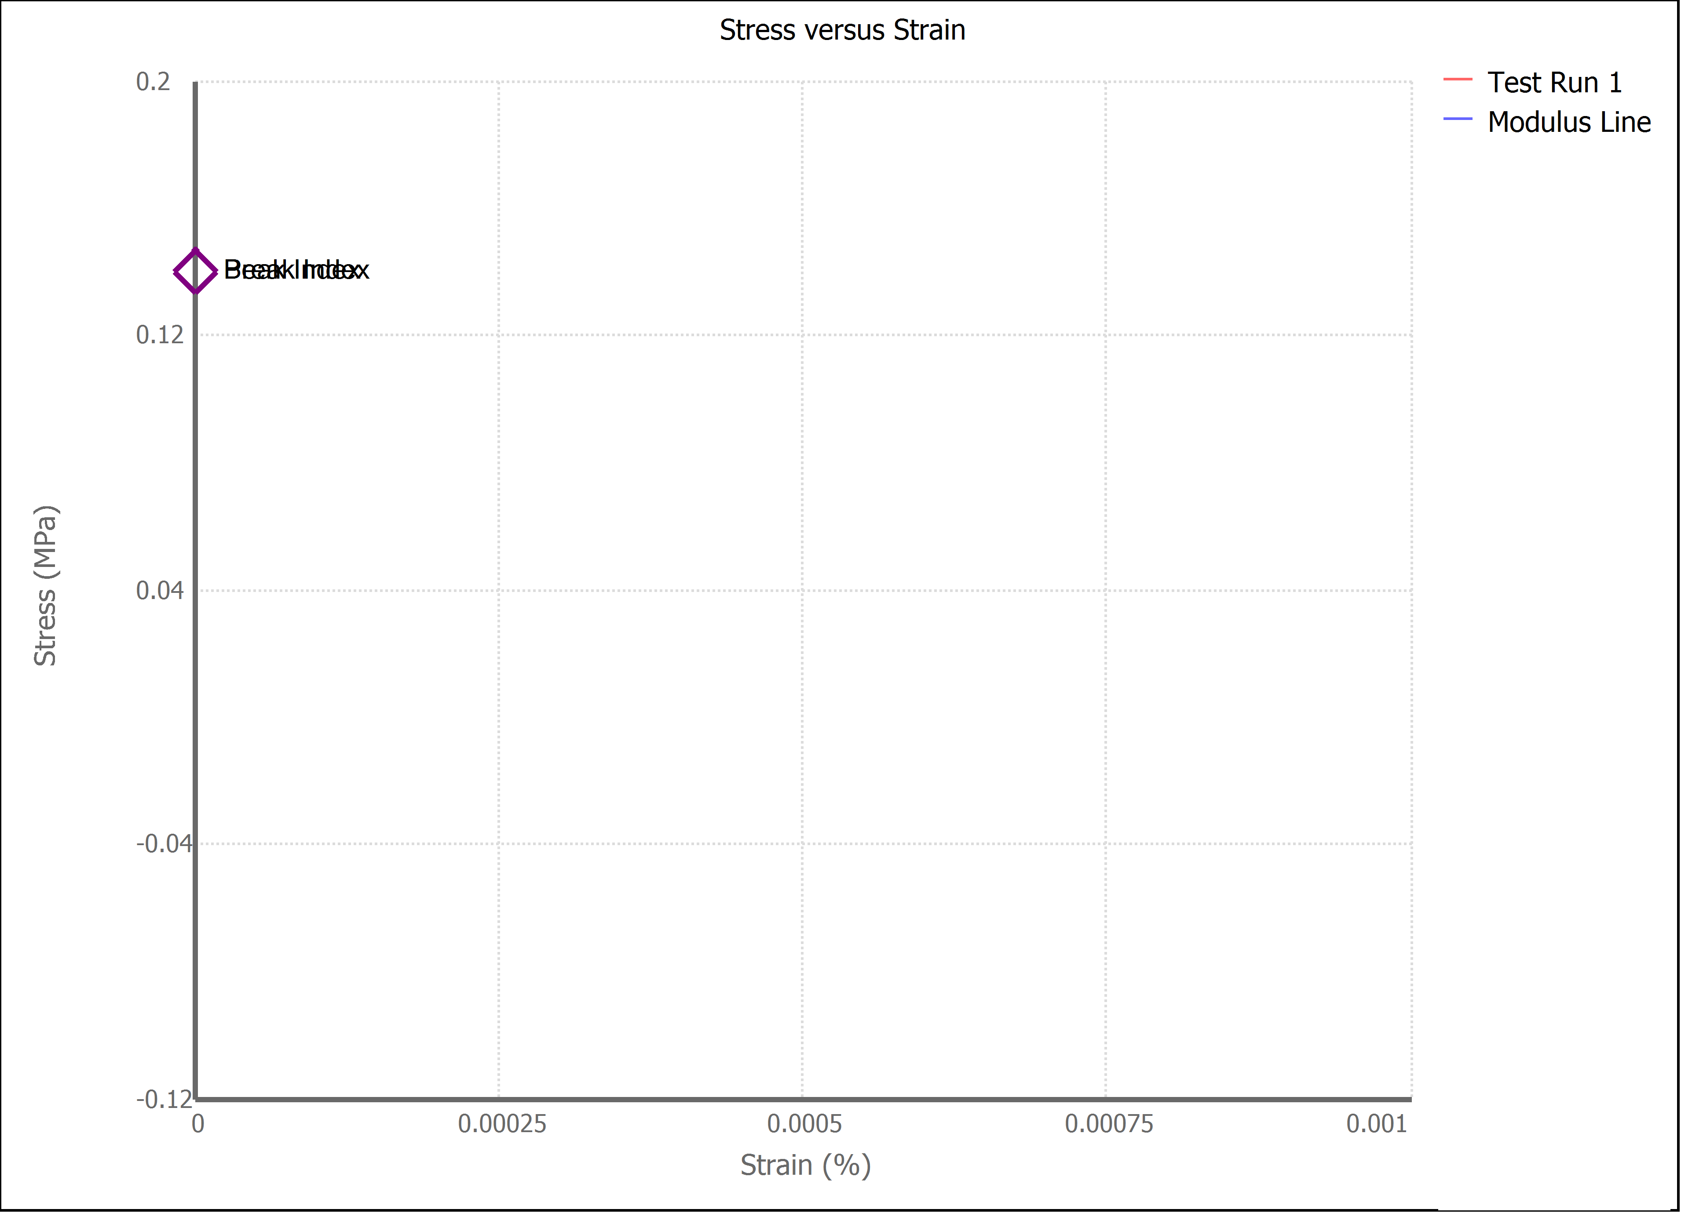

Test Run Results:
Display Name | Value | Unit
Test Run End Reason | Test Stopped
Test Rate | 2.0 | mm/min
Test ID
Tensile Strength | 0.0001 | kN/mm²
Maximum Load | 0.001 | kN
% Elongation at Maximum Load | 0.000 | mm/mm
Nominal Strain at Peak | 0.075 | mm/mm
Stress at Break | 0.0001 | kN/mm²
% Elongation at Break | 0.000 | mm/mm
Nominal Strain at Break | 0.075 | mm/mm
Load at Yield | #NUM! | kN
Stress at Yield | #NUM! | kN/mm²
% Elongation at Yield | #NUM! | mm/mm
Modulus of Elasticity | #NUM! | kN/mm²
Offset Yield Strength | #NUM! | kN/mm²
Width | 4.000 | mm
Thickness | 2.000 | mm

